TPMS
CAN ID is 7DE

Following Commands have been used so far (seen in the Diagnostic tester trace):
04 18 00 40 00 | Read DTC's
04 18 01 40 00 | Read DTC's
02 27 01 00 | Security Access (no key requiered)
06 27 02 6F D5 6F D5 | Security Access Level 2 (key required?) -> Answer: 67 02 34
!!! Be careful with writing unknown values!! Security Acces (above) is required befor writing the ID's 10 12 3B 8B 00 2D 08 A2 00 2D 4E 38 00 2C BB CB 00 2D 37 48 | WriteDataByLocalID (TPMS ID's?) ID's: "00 2D 08 A2", "00 2D 4E 38", "00 2C BB CB" and "00 2D 37 48" | Required for new tires :-)
02 1A 8B | Read back ID's (verification of ID's) 10 12 5A 8B 00 2D 08 A2 21 00 2D 4E 38 00 2C BB 22 CB 00 2D 37 48 00 00

Response from 2
...
05 61 01 01 02 A2
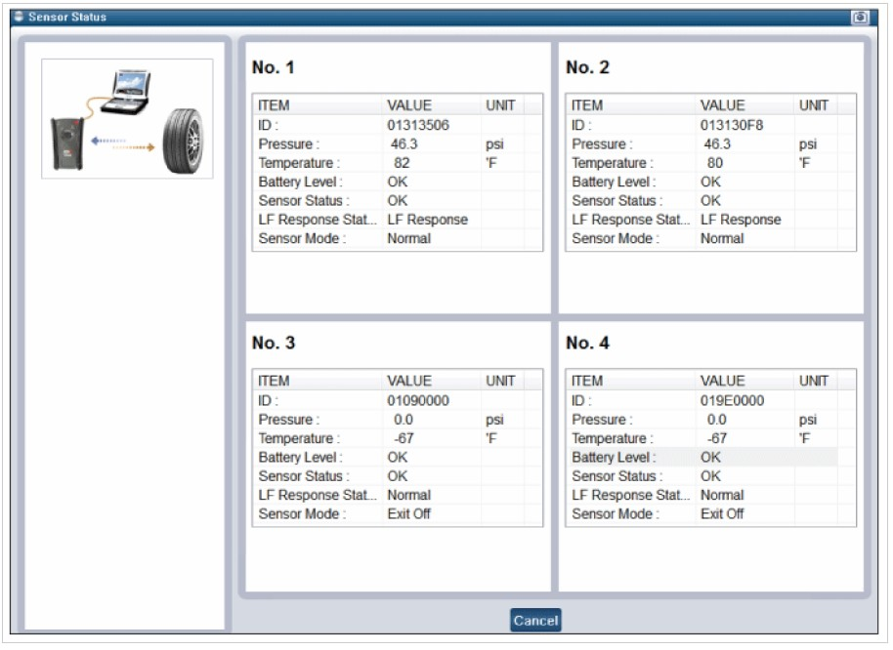
21 02:
03 61 02 00 |  |  | Sensor RF Test Mode Data Structure = Fram 1 = Fram 2 = Fram 3 = Fram 4
21 06: |  |  | Preamble | H/L Bit | ID | Pressure | No. of Frames | Status | CRC
10 22 61 06 01 37 4D EE |  |  | 16 bits | 1 bit | 31 bits | 8 bits | 8 bits | 8 bits | 8 bits
21 00 37 00 00 01 36 F7
22 B3 00 37 00 00 01 36
23 F8 D5 00 37 00 00 01
24 37 00 23 00 37 00 00
^ That looks like four sets of values:
01 37 4D EE 00 37 00 00
01 36 F7 B3 00 37 00 00
01 36 F8 D5 00 37 00 00
01 37 00 23 00 37 00 00

21 06 from Alex:
00 0E AD 11 9D 4B 26 02 -> 9D=157 / 4 = 39,25psi 4B = 20°C
00 0E B3 25 9C 4A 26 02 -> 9C=156 / 4 = 39,00psi 4A = 19°C
00 0E B2 D5 9D 4A 26 02 -> 9D=157 / 4 = 39,25psi 4A = 19°C
00 0E ED DD 9D 4B 26 02 -> 9D=157 / 4 = 39,25psi 4B = 20°C

BTW, to get this with an ELM 327, use command ATCRA 7DE, then 2106

Tyrel's response from 1A 8B:
10 12 5A 8B 01 37 4D EE
21 01 36 F7 B3 01 36 F8
22 D5 01 37 00 23 00 00

The data are: 01 37 4D EE / 01 36 F7 B3 / 01 36 F8 D5 / 01 37 00 23

21 01 from Alex:
01 02 51 and a bit later 01 02 46 and 01 02 43 and 01 02 44

21 02
00

21 AF
00

DTCs
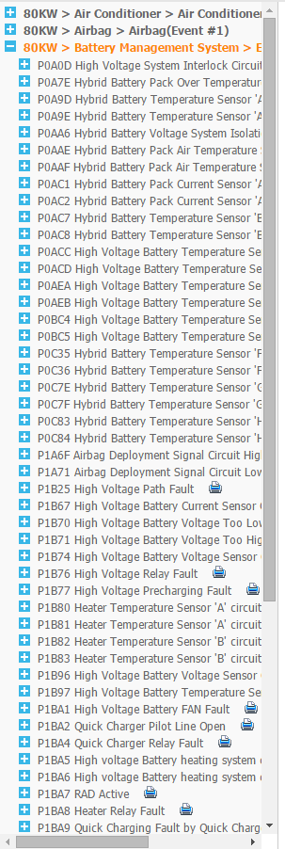
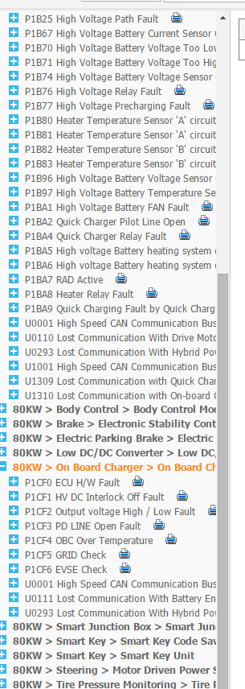
Code (Hex) | Code (Human) | Description
1B74 | P1B74 | High Voltage Battery Voltage Sensor Circuit | PEM: All of this can be found on KiaTechInfo, DTC section
1B97 | P1B97 | High Voltage Battery Temperature Sensor Circuit Fault
 | C1312 | TPMS sensor receive error (FL)
 | C1313 | TPMS sensor receive error (FR)
 | C1314 | TPMS sensor receive error (RL)
 | C1315 | TPMS sensor receive error (RR)
 | C1332 | TPMS Sensor internal failure (FL)
 | C1333 | TPMS Sensor internal failure (FR)
 | C1334 | TPMS Sensor internal failure (RL)
 | C1335 | TPMS Sensor internal failure (RR)
 | C1662 | TPMS Auto learning failure
 | C1663 | TPMS Auto learning failure

ID523
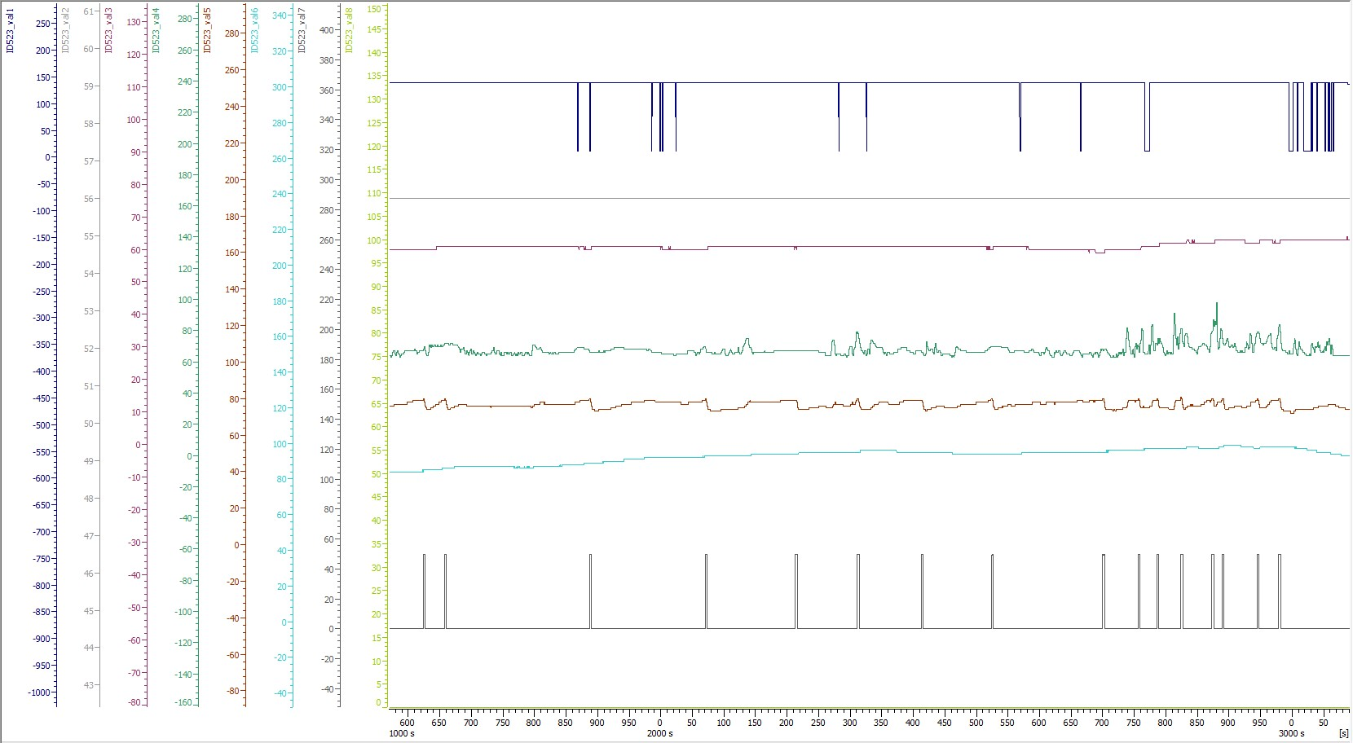
ID523 @ C_CAN

ID55D
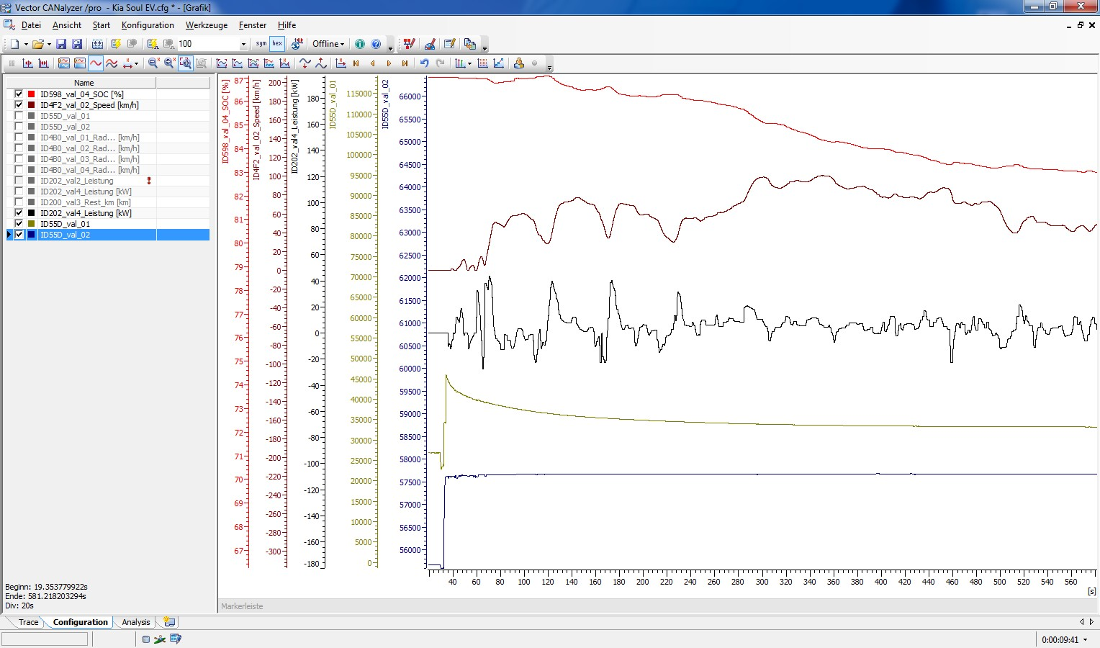
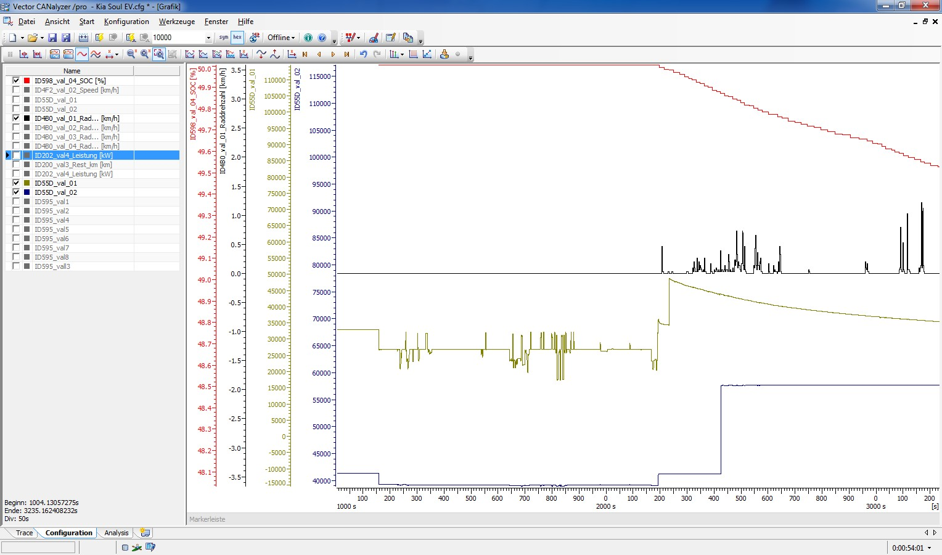

During driving value 1 jumps up and is decreasing slowly... |  |  |  |  | In the first part (2200 seconds) i only try different functions in the car (ligt, wiper,..). Then i'm driving back and forward (only some meters) and the values jump up...

No idea yet... val_01 is Byte 0 & 1; val_02 is Byte 2 & 3

Electronics (W) vs. val1 (dec)
Is val_01 changes when I operate accessories in the vehicle, including steering wheel, so it's definitely related to power. That curve is odd though. Maybe it's the voltage of the inverter capacitor? (wild guess)
Watching val1 and "Electronics" under "Electricity Use" screen because they definitely change together:
 | val1 | Electronics (kw) | val1 (dec) | Electronics (W)
 | 75D7 | 0.03 | 30167 | 30
 | 72E6 | 0.03 | 29414 | 30
 | 80F5 | 0.11 | 33013 | 110
 | 80DF | 0.11 | 32991 | 110
 | 8051 | 0.15 | 32849 | 150
 | 8079 | 0.15 | 32889 | 150
 | 9242 | 0.34 | 37442 | 340
 | 927C | 0.34 | 37500 | 340
 | 8A95 | 0.42 | 35477 | 420
 | 8AAB | 0.42 | 35499 | 420
 | 87DE | 0.61 | 34782 | 610
 | 87FD | 0.61 | 34813 | 610

Graph isn't looking great though
I wonder if it has something to do with the DC-DC converter? It's clearly affected by 12V system
When HVAC is turned on then both val_01 and val_02 go crazy
Otherwise val_02 barely moved (sits around 1FE6 on mine when HVAC is not on)

ID160
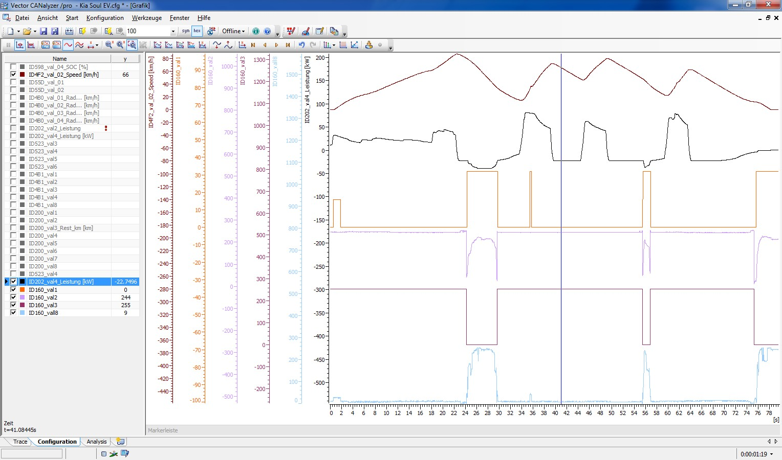

Values only activ during low speed or high rekuperating power... Maybe it's the energy that can't be stored back in the battery? To much power or vehicle to slow? -> Amount of energy that should be taken away from the breaks? val1=byte0; val8 =byte7

val1 (byte 0) jumping down like that seems to indicate that it's the low byte of a 16-bit value? byte 1 is a good candinate except it's backward... maybe it's a negative number?

ID581
 | ID 581 during loading from 46 to 50%. Connected via Typ1 loading with ~3,6kW

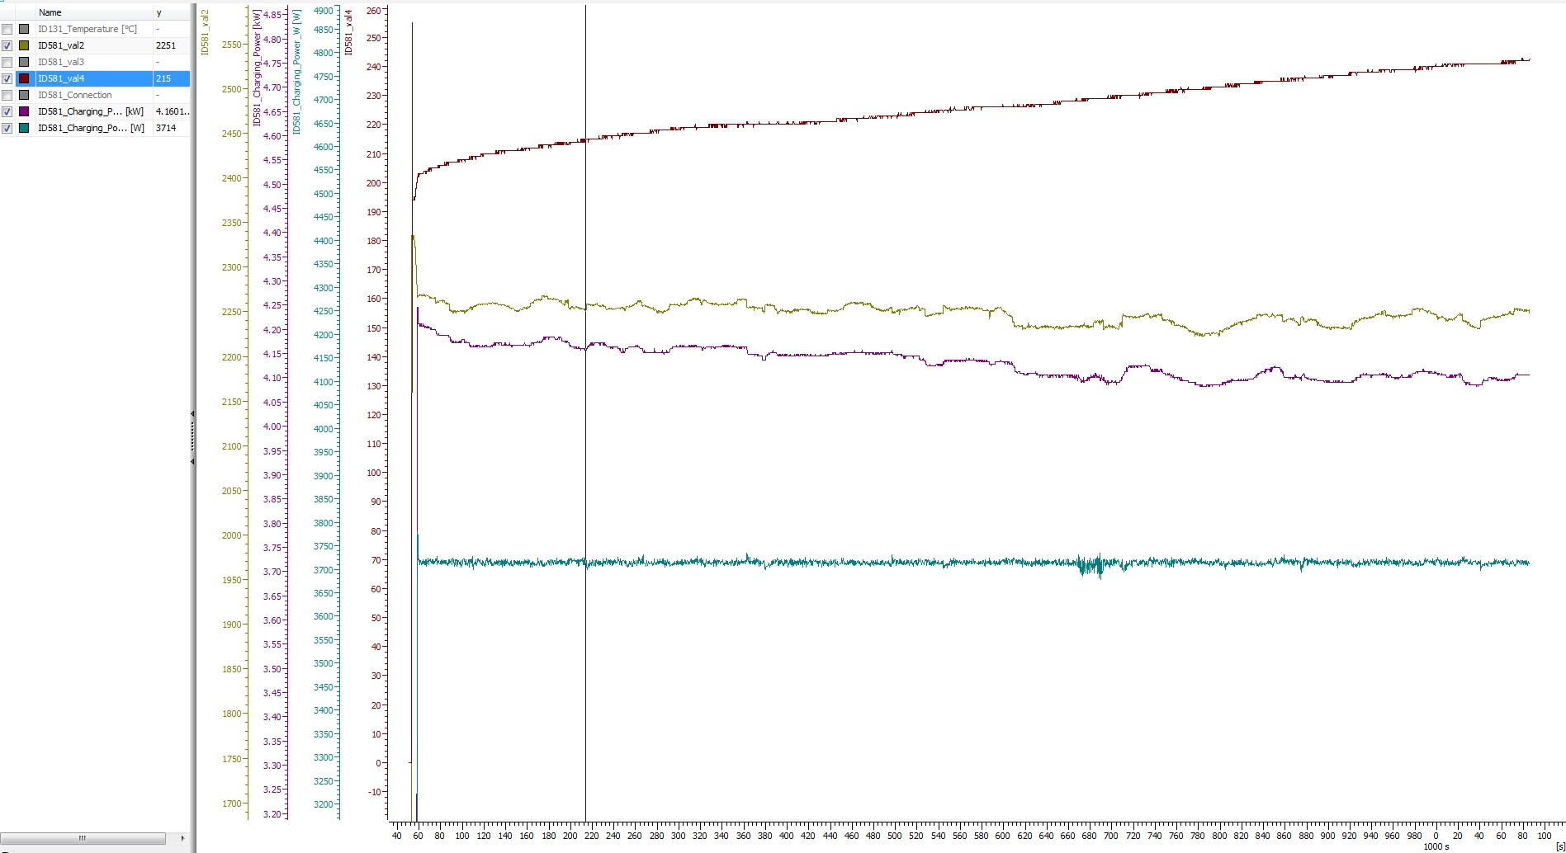
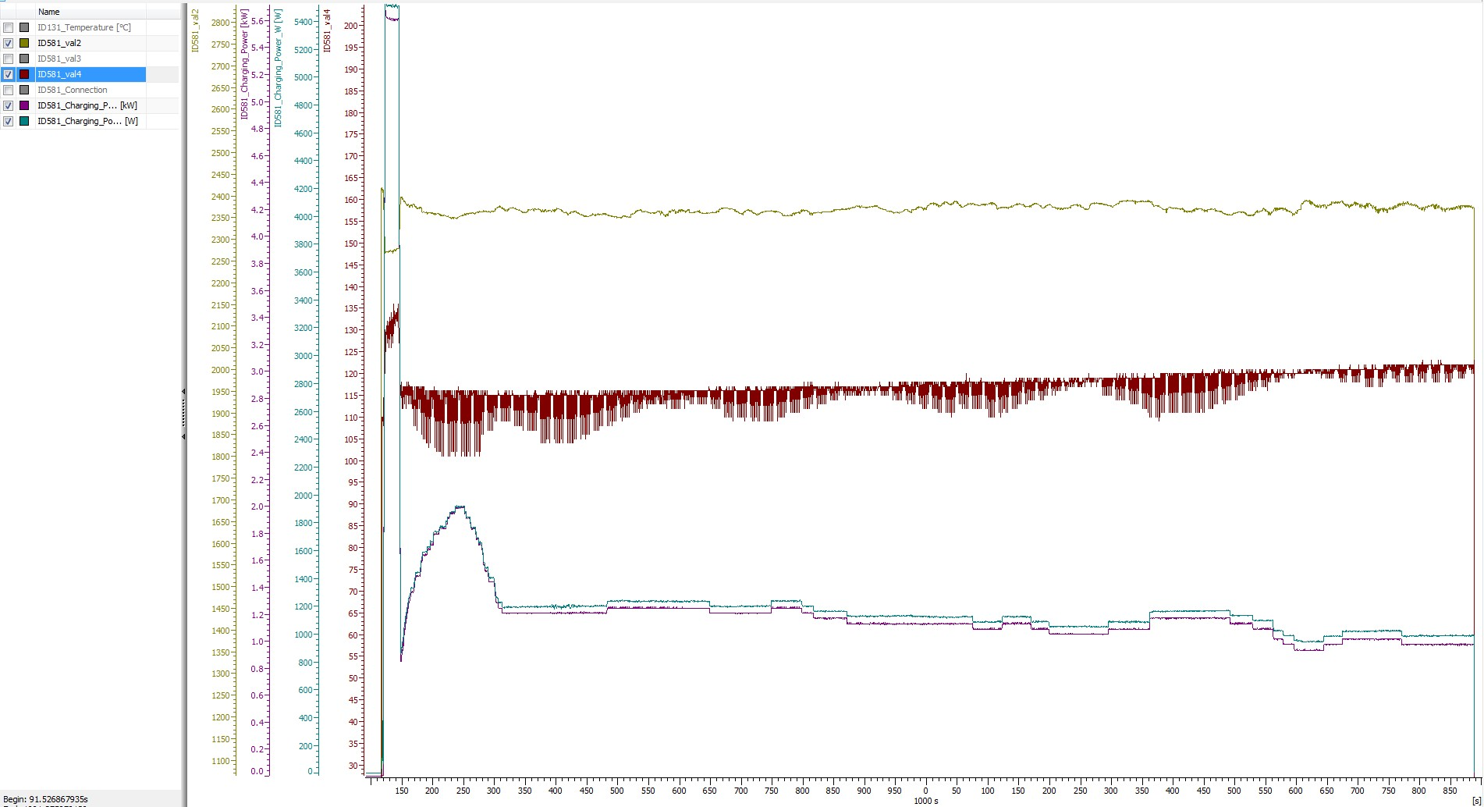
val2=Byte2&3
val4=Byte4

 | Val 6 rises to and hovers around 0x067E for me -- my circuit monitor shows I'm pulling about 6.75 kW from the wall, which would be close to this value / 256 -- this may be actual energy getting into the battery after losses
 | Byte 4 is increasing; if I pull the plug, it decreases a little bit before this ID stops being transmitted... not sure what it is

 | I'm charging at 7.1 kW in, 5.8 kW into the battery (according to the OBC), and I'm seeing values about 0x06EA in Val6. (TH)

 | Charging Power [W] (Byte 0 & 1) is very stable
 | Charging Power [kW] (Byte 6 & 7) if floating and adapting to val2 (Byte 2 & 3)
 | Also the value from Byte 0 & 1 is nearly always way below Bye 6 & 7
 | The right trace is only the heating, the SOC was 100%

 | Any Ideas?

ID595
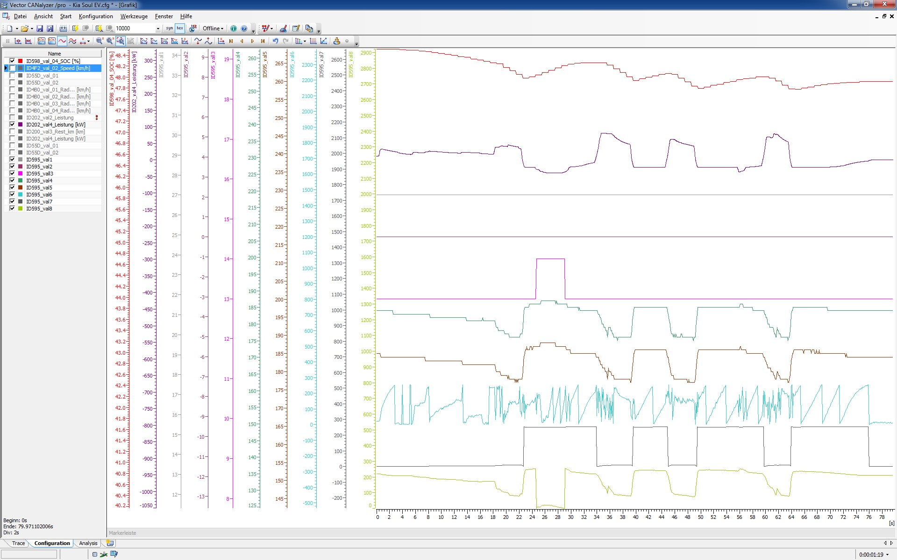
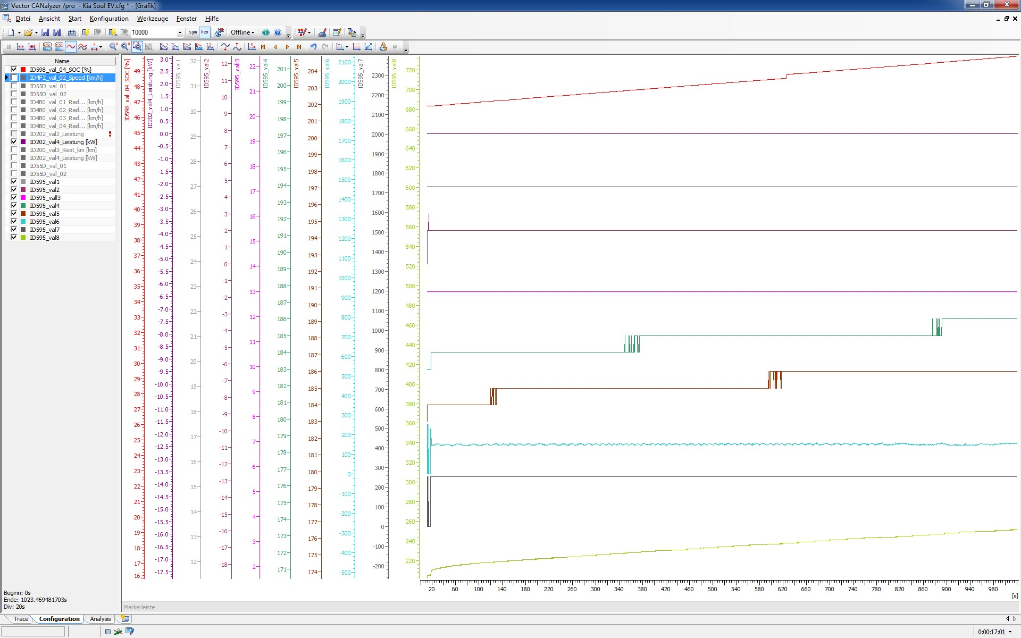
while driving: | while loading

related to power...val1 = byte 0; Val 8 = byte 7

ID 598
BUS hex | SOCin display | comment | SOC | Bus Value | ../240 ?

23973 | 100 | exact measured | 100 | 23973 | 99.89
23946 | 100 | exact measured | 100 | 23946 | 99.78
20642 | 88 | measured | 88 | 20642 | 86.01
20054 | 85 | measured | 85 | 20054 | 83.56
19789 | 84 | measured | 84 | 19789 | 82.45
19519 | 83 | measured | 83 | 19519 | 81.33
19315 | 83 | measured | 83 | 19315 | 80.48
19281 | 82 | measured | 82 | 19281 | 80.34
18820 | 81 | measured | 81 | 18820 | 78.42
18775 | 80 | measured | 80 | 18775 | 78.23
12886 | 54 | measured (TH) | 54 | 12886 | 53.69
12460 | 53 | exact measured (TH) | 53 | 12460 | 51.92
12293 | 52 | exact measured (TH) | 52 | 12293 | 51.22
11218 | 50 | exact measured | 50 | 11218 | 46.74
10313 | 46 | measured | 46 | 10313 | 42.97
7034 | 29 | measured (TH) | 29 | 7034 | 29.31
6785 | 28 | measured (TH) | 28 | 6785 | 28.27
6278 | 26 | measured (TH) | 26 | 6278 | 26.16
6132 | 25 | exact measured (TH) | 25 | 6132 | 25.55
5876 | 24 | measured (TH) | 24 | 5876 | 24.48
4277 | 20 | measured (TH) | 20 | 4277 | 17.82

SOC*256 + Offset of 6,5% looks good...

256 would make sense, high byte is percent low byte is fraction
Offset may not be right. Or this number may be different on each car, depending on battery condition?
Maybe its not the SOC (SOC already in ID 594) but the stored energy? -> Trace with SOC between 5 and 10% would be fine)
If stored energy, most logical would be watt-hours, but we should have more than 24 kWh available -- Kia says it's 27 kWh usable (actually a bit more there, probably about 30 kWh)

Bus Value vs. SOC

